Template
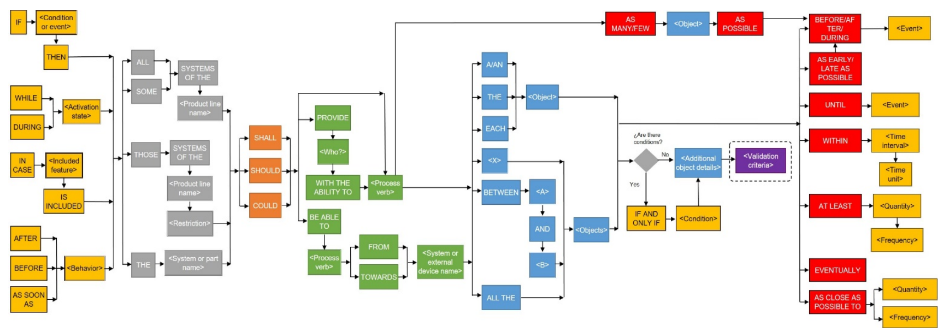

Example - Description
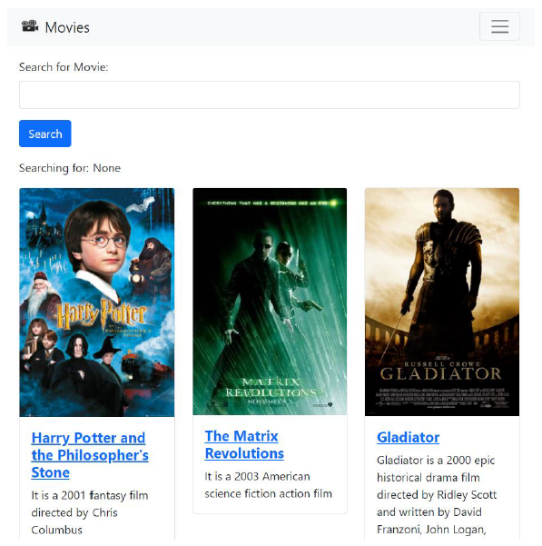
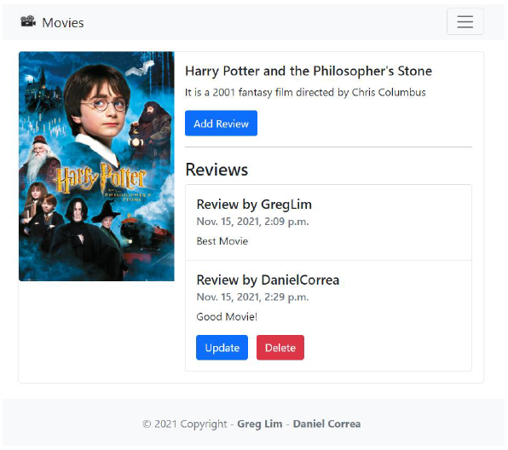
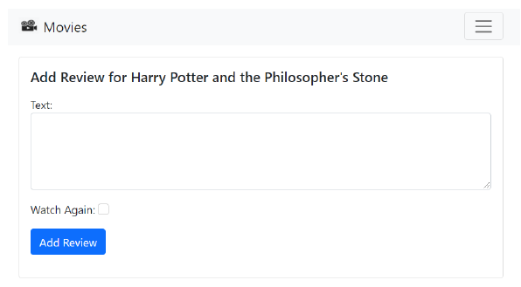
Movie Reviews Application
Welcome to our Movie Reviews application, a user-friendly app designed for movie enthusiasts of all levels. Here's a simplified overview: Imagine a space where you can effortlessly discover and search for movies by name. Once you've found a movie you love, our application lets you log in and share your thoughts through reviews. Each movie comes with all the essential details: name, description, URL, and an eye-catching image to capture your interest. Expressing your opinions is made easy with our review feature. Not only can you critique a movie, but you can also show your appreciation by using the "watch again" button in the review form. Your review is a complete package, including the date it was submitted, the content, and your name. Once you're logged in, you can post, edit, and delete your own reviews. We've made sure to respect everyone's contribution by limiting the ability to modify or delete reviews from other users. Adding more excitement, we've included a news section with headlines, stories, and dates. The latest news always takes the spotlight, creating a dynamic experience. All this content, including movies and news, is neatly organized in our database for efficient management. Looking ahead, our focus is on making your experience even better. We're working on user authentication, where signing up is a breeze with a username, password, and confirmation. Successful authentication brings you to a personalized home page. As you explore movies, you can dive into the details and, if you feel inspired, contribute to the community by clicking 'Add Review.' The movie details page beautifully displays reviews, offering a rich collection of user opinions. Currently, our project is running on our local machine, but we're gearing up to share it with the world.

